univariate
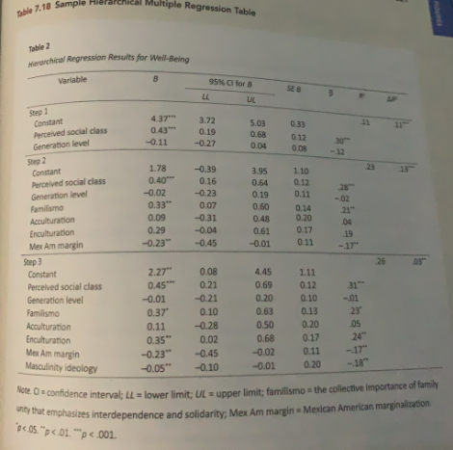
Suprate on race
Coefficients:
 | Estimate | SE | t | p
(Intercept) | 4.2521 | 0.203 | 20.949 | <2e-16 | ***
ClearyData$race | -0.2569 | 0.1341 | -1.916 | 0.0575 | .

beta | -0.167
R^2 | 0.023

Suprate on cogtest
 | Estimate | SE | t | p
(Intercept) | 3.884462 | 0.067219 | 57.788 | <2e-16 | ***
ClearyData$cogtest | -0.008794 | 0.013445 | -0.654 | 0.514

beta | -0.058
R^2 | 0.0033

